Sheet2
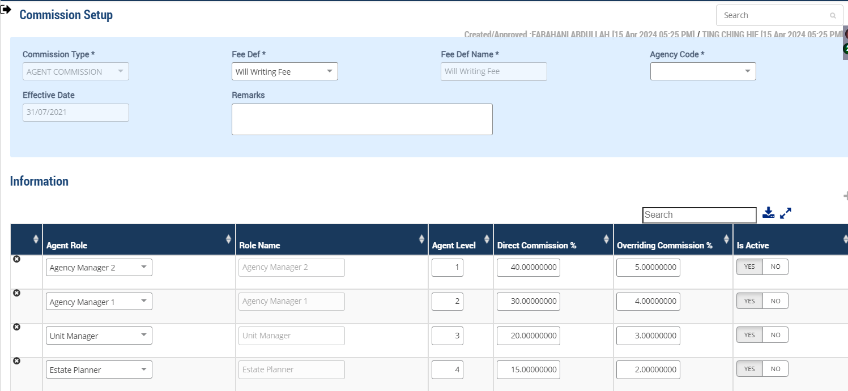
 | Agent Role - Level
 | Agent Role | Role Name | Agent Level
 | EP | Estate Planner | 4
 | UM | Unit Manager | 3
 | AM1 | Agency Manager 1 | 2
 | AM2 | Agency Manager 2 | 1

 | Agent & Reporting Manager

 | Customer | Agent | Agent Role | Agent Level | Reporting Manager | Reporting Manager Role | Reporting Manager Level
2024-03-28 | CHIN HEN HONG(7773-15-33001) | AGENT03 | Estate Planner | 4 | AGNT2 | Unit Manager | 3
 |  | DIRECT COMM. |  |  | OVERRIDE COMM.

 | Commission Calculation
 | TRANS_DATE | Customer/Testator | Agent | Agent Role | Agent Level | Fee | Fee Amount | Direct Commission Percent % | Overriding Commission Percent % | Direct Commission Amount | Override Commission Amount | Total Commission Amount
 | 2024-03-28 | CHIN HEN HONG | AGENT03 | EP | 4 | Will Writing Fee | 450.00 | 15% | - | 67.50 | 0 | 67.50
 | 2024-03-28 | CHIN HEN HONG | AGNT2 | UM | 3 | Will Writing Fee | 450.00 | - | 3% | - | 13.5 | 13.50

 | No Reporting Manager

 | Customer | Agent | Agent Role | Agent Level
 | CHIN HEN HONG | AGENT03 | Estate Planner | 4
 |  | DIRECT COMM. |  | OVERRIDE COMM.

 | Commission Calculation
 | TRANS_DATE | Customer/Testator | Agent | Agent Role | Agent Level | Fee | Fee Amount | Direct Commission Percent % | Overriding Commission Percent % | Direct Commission Amount | Override Commission Amount | Total Commission Amount
 | 2024-03-28 | CHIN HEN HONG | AGENT03 | EP | 4 | Will Writing Fee | 450.00 | 15% | 2% | 67.50 | 9.00 | 76.50

Sheet1
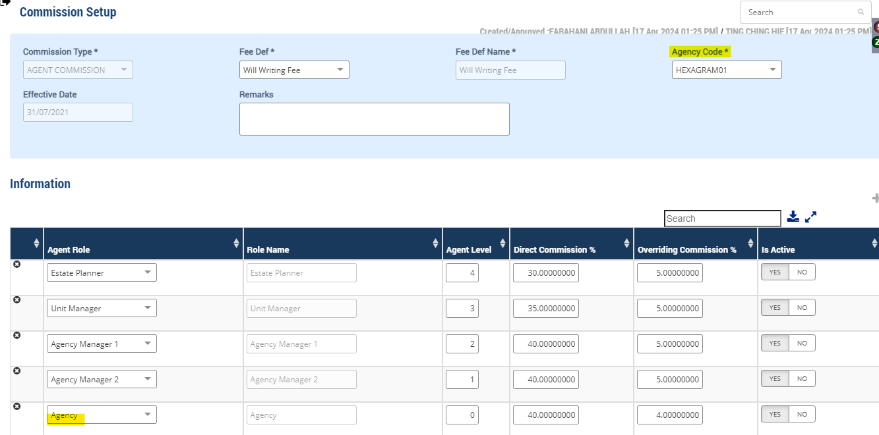
 | Agent Role - Level
 | Agent Role | Role Name | Agent Level
 | EP | Estate Planner | 4
 | UM | Unit Manager | 3
 | AM1 | Agency Manager 1 | 2
 | AM2 | Agency Manager 2 | 1
 | Agency | Agency | 0

 | Agent & Reporting Manager

 | Customer | Agent | Agent Role | Agent Level | Reporting Manager | Reporting Manager Role | Reporting Manager Level
2024-03-28 | CHUNG MAN KYAU(11995-02-1996) | AGNT1 | Estate Planner | 4 | AGNT3 | Unit Manager | 3
 |  | DIRECT COMM. |  |  | OVERRIDE COMM.

 | Commission Calculation
 | TRANS_DATE | Customer/Testator | Agent | Agent Role | Agent Level | Fee | Fee Amount | Direct Commission Percent % | Overriding Commission Percent % | Direct Commission Amount | Override Commission Amount | Total Commission Amount
 | 2024-03-28 | CHUNG MAN KYAU | AGNT1 | EP | 4 | Will Writing Fee | 450.00 | 30% | - | 135.00 | 0 | 135.00
 | 2024-03-28 | CHUNG MAN KYAU | AGNT3 | UM | 3 | Will Writing Fee | 450.00 | - | 5% | - | 22.5 | 22.50

 | Override Commission to Agency(Hexagram)

 | Customer | Agent | Agent Role | Agent Level | Reporting Manager | Reporting Manager Role | Reporting Manager Level
2024-03-28 | CHUNG MAN KYAU | AGNT1 | Estate Planner | 4 | HEXAGRAM01 | Agency | 0
 |  | DIRECT COMM. |  |  | OVERRIDE COMM.

 | Commission Calculation
 | TRANS_DATE | Customer/Testator | Agent | Agent Role | Agent Level | Fee | Fee Amount | Direct Commission Percent % | Overriding Commission Percent % | Direct Commission Amount | Override Commission Amount | Total Commission Amount
 | 2024-03-28 | CHUNG MAN KYAU | AGNT1 | EP | 4 | Will Writing Fee | 450.00 | 30% | - | 135.00 | 0 | 135.00
 | 2024-03-28 | CHUNG MAN KYAU | HEXAGRAM01 | AGC | 0 | Will Writing Fee | 450.00 | - | 4% | - | 18.00 | 18.00

Sheet3
WILLS Customer

Agent Details

Customer Master



Commission Setup

Will Writing Fee

Other Party Master

Will Commission Process

